Sheet1
 |  | Document No. |  | Issue No. |  | Issue Date |  |  | Review and Replace Date |  |  | Authorised By
 |  | GFF313MC |  | 3 |  | 19.10.2021 |  |  | 30.04.2022 |  |  | Magda Shah
 |  | Document Title | Chipotle Chicken with Sweetcorn and Brown Rice 400g
Document amendments reason for change |  | Document reviewed & updated |  |  | Page 1 of 1 |  | Previous Issue Date |  |  | 16.11.2021 |  | Uncontrolled copy unless signed original

FCCBWR1-R8TMC | MINDFUL CHEF |  |  | Chipotle Chicken with Sweetcorn and Brown Rice 400g | FROZEN
STEP 1 |  |  |  | STEP 2 |  |  |  |  |  |  | STEP 3
 |  |  |  | 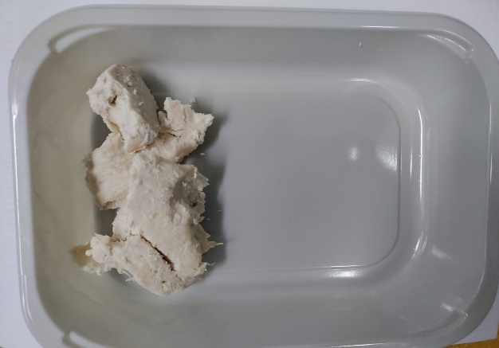 |  |  |  |  |  |  | 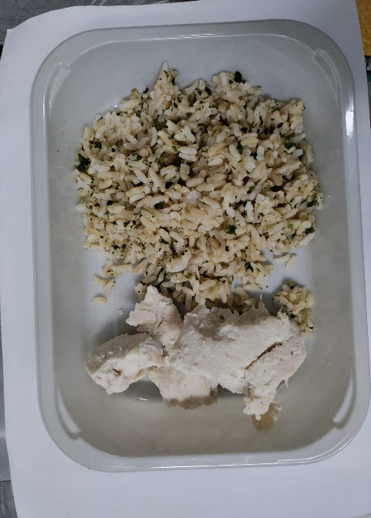

PACK DAY + 1 YEAR
NON-MAP PACK

Tray: EVOLVE CPET 2200-1E FROST(PKRHP001-15) |  |  |  | Cooked Diced lemon and garlic chicken(F)-RMHAR006-02: 70g |  |  |  |  |  |  | Brown Rice (GFF255R): 100g

Film:K Peel 3G 25µm (275mmX1000lm)-PKKMP001-04
STEP 4 |  |  |  |  |  |  |  | STEP 5
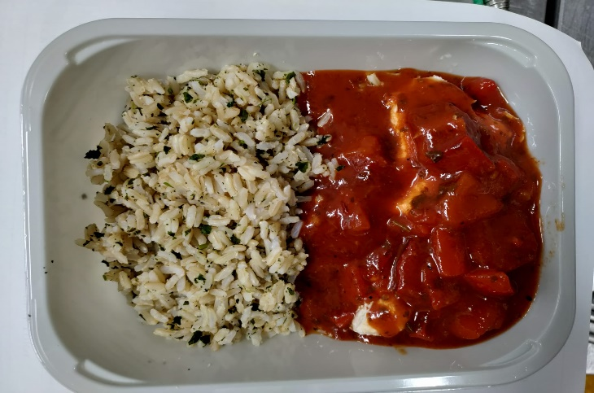 |  |  |  |  |  |  |  | 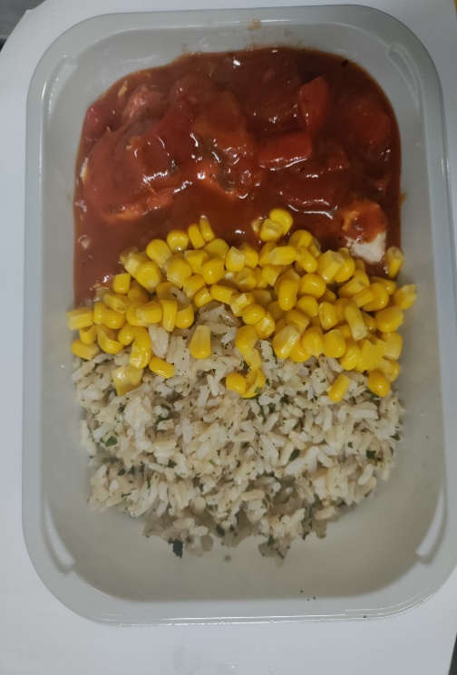

Chipotle Sauce (MC) (GFF380R): 190g |  |  |  |  |  |  |  | Steamed Sweetcorn (MC) (GFF361R): 40g |  |  |  |  | TOTAL WEIGHT: 400g

ALLERGY ALERT: SOYA

